Sheet1
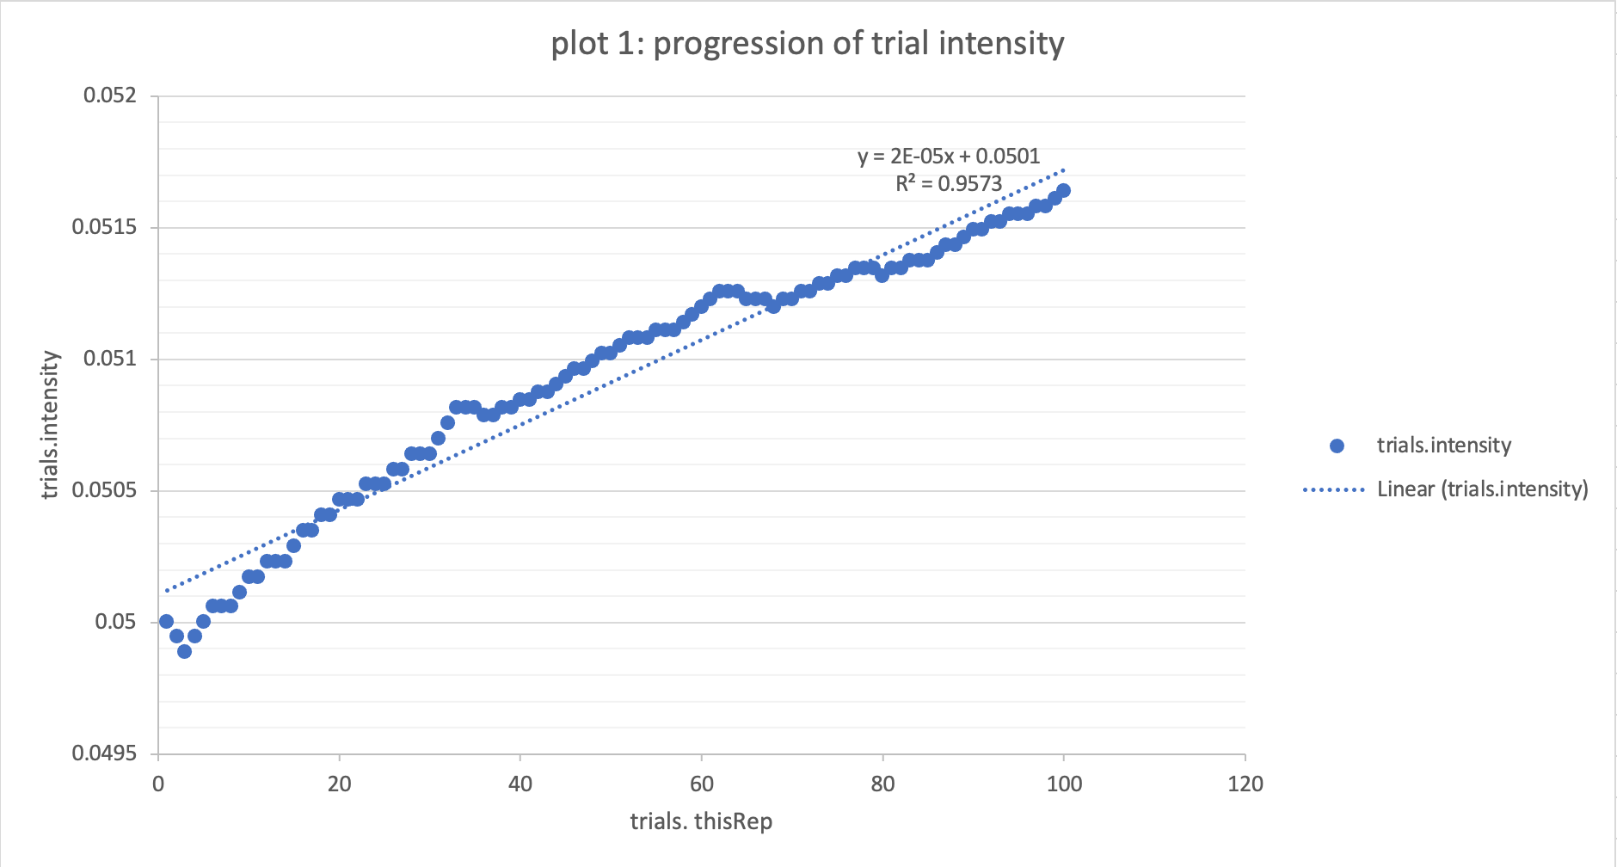
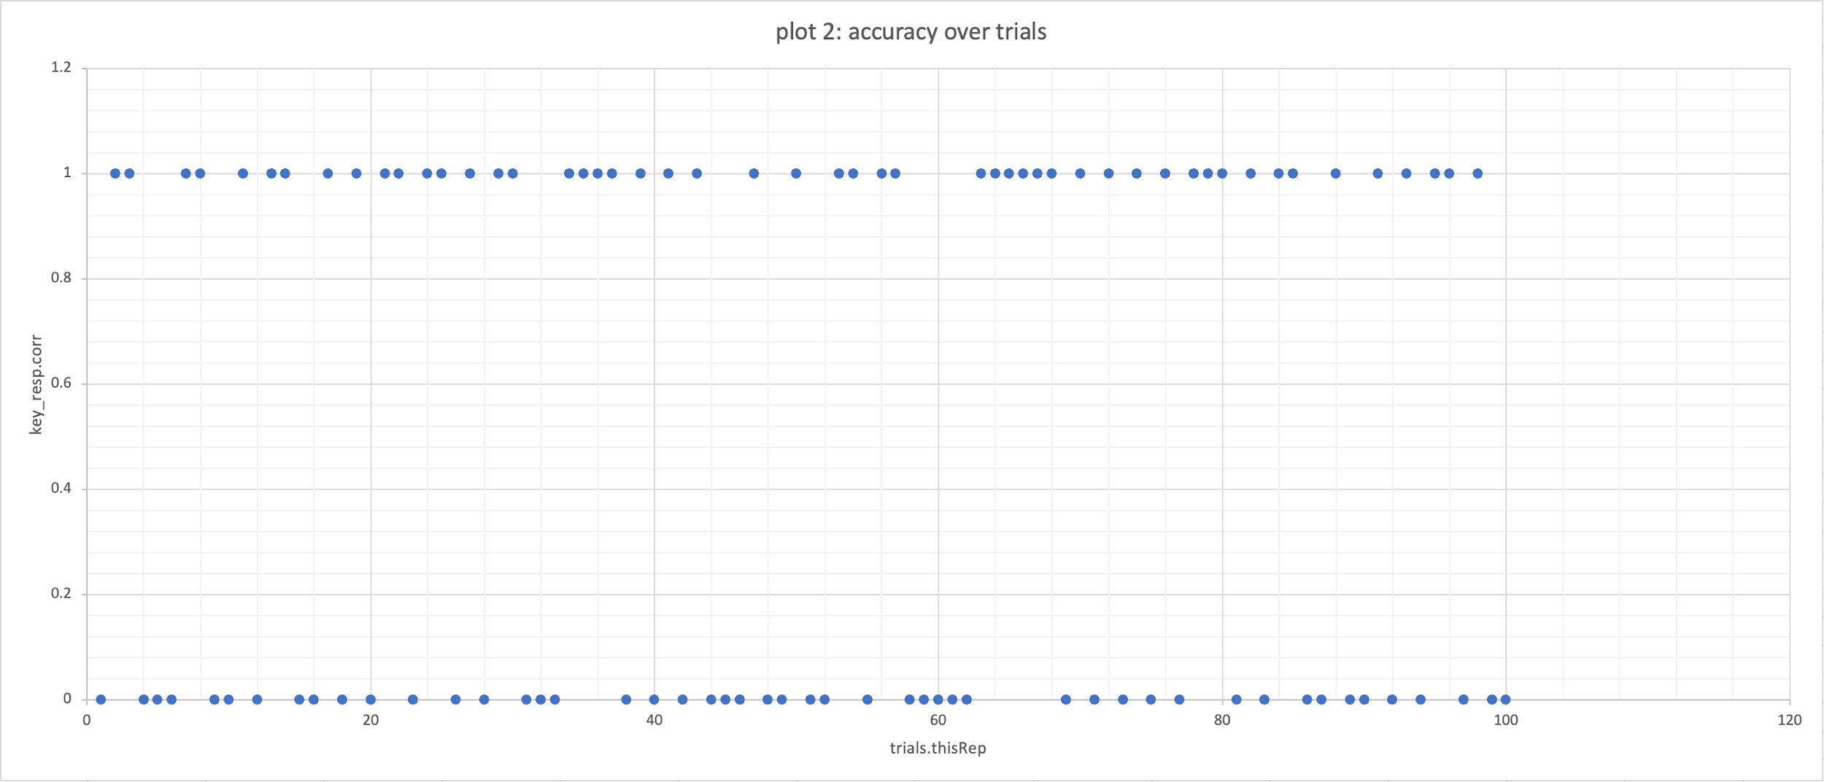
trials.startVal | trials.stepSizes | trials.maxVal | trials.minVal | trials.thisIndex | trials.thisN | trials.direction | trials.stepSize | trials.response | trials.thisRepN | key_resp.corr | trials.intensity
0.05 | (0.01, 0.01, 0.005, 0.005) | 1 | 0 | 0 | 0 | start | 0.01 | 1 | 1 | 0 | 0.05
0.05 | (0.01, 0.01, 0.005, 0.005) | 1 | 0 | 0 | 1 | down | 0.01 | 1 | 2 | 1 | 0.04994247
0.05 | (0.01, 0.01, 0.005, 0.005) | 1 | 0 | 0 | 2 | down | 0.01 | 0 | 3 | 1 | 0.049885
0.05 | (0.01, 0.01, 0.005, 0.005) | 1 | 0 | 0 | 3 | up | 0.01 | 0 | 4 | 0 | 0.04994247
0.05 | (0.01, 0.01, 0.005, 0.005) | 1 | 0 | 0 | 4 | up | 0.01 | 0 | 5 | 0 | 0.05
0.05 | (0.01, 0.01, 0.005, 0.005) | 1 | 0 | 0 | 5 | up | 0.01 | 1 | 6 | 0 | 0.0500576
0.05 | (0.01, 0.01, 0.005, 0.005) | 1 | 0 | 0 | 6 | up | 0.01 | 1 | 7 | 1 | 0.0500576
0.05 | (0.01, 0.01, 0.005, 0.005) | 1 | 0 | 0 | 7 | up | 0.01 | 0 | 8 | 1 | 0.0500576
0.05 | (0.01, 0.01, 0.005, 0.005) | 1 | 0 | 0 | 8 | up | 0.01 | 0 | 9 | 0 | 0.05011526
0.05 | (0.01, 0.01, 0.005, 0.005) | 1 | 0 | 0 | 9 | up | 0.01 | 1 | 10 | 0 | 0.05017299
0.05 | (0.01, 0.01, 0.005, 0.005) | 1 | 0 | 0 | 10 | up | 0.01 | 0 | 11 | 1 | 0.05017299
0.05 | (0.01, 0.01, 0.005, 0.005) | 1 | 0 | 0 | 11 | up | 0.01 | 1 | 12 | 0 | 0.05023079
0.05 | (0.01, 0.01, 0.005, 0.005) | 1 | 0 | 0 | 12 | up | 0.01 | 1 | 13 | 1 | 0.05023079
0.05 | (0.01, 0.01, 0.005, 0.005) | 1 | 0 | 0 | 13 | up | 0.01 | 0 | 14 | 1 | 0.05023079
0.05 | (0.01, 0.01, 0.005, 0.005) | 1 | 0 | 0 | 14 | up | 0.01 | 0 | 15 | 0 | 0.05028865
0.05 | (0.01, 0.01, 0.005, 0.005) | 1 | 0 | 0 | 15 | up | 0.01 | 1 | 16 | 0 | 0.05034658
0.05 | (0.01, 0.01, 0.005, 0.005) | 1 | 0 | 0 | 16 | up | 0.01 | 0 | 17 | 1 | 0.05034658
0.05 | (0.01, 0.01, 0.005, 0.005) | 1 | 0 | 0 | 17 | up | 0.01 | 1 | 18 | 0 | 0.05040458
0.05 | (0.01, 0.01, 0.005, 0.005) | 1 | 0 | 0 | 18 | up | 0.01 | 0 | 19 | 1 | 0.05040458
0.05 | (0.01, 0.01, 0.005, 0.005) | 1 | 0 | 0 | 19 | up | 0.01 | 1 | 20 | 0 | 0.05046264
0.05 | (0.01, 0.01, 0.005, 0.005) | 1 | 0 | 0 | 20 | up | 0.01 | 1 | 21 | 1 | 0.05046264
0.05 | (0.01, 0.01, 0.005, 0.005) | 1 | 0 | 0 | 21 | up | 0.01 | 0 | 22 | 1 | 0.05046264
0.05 | (0.01, 0.01, 0.005, 0.005) | 1 | 0 | 0 | 22 | up | 0.01 | 1 | 23 | 0 | 0.05052078
0.05 | (0.01, 0.01, 0.005, 0.005) | 1 | 0 | 0 | 23 | up | 0.01 | 1 | 24 | 1 | 0.05052078
0.05 | (0.01, 0.01, 0.005, 0.005) | 1 | 0 | 0 | 24 | up | 0.01 | 0 | 25 | 1 | 0.05052078
0.05 | (0.01, 0.01, 0.005, 0.005) | 1 | 0 | 0 | 25 | up | 0.01 | 1 | 26 | 0 | 0.05057897
0.05 | (0.01, 0.01, 0.005, 0.005) | 1 | 0 | 0 | 26 | up | 0.01 | 0 | 27 | 1 | 0.05057897
0.05 | (0.01, 0.01, 0.005, 0.005) | 1 | 0 | 0 | 27 | up | 0.01 | 1 | 28 | 0 | 0.05063724
0.05 | (0.01, 0.01, 0.005, 0.005) | 1 | 0 | 0 | 28 | up | 0.01 | 1 | 29 | 1 | 0.05063724
0.05 | (0.01, 0.01, 0.005, 0.005) | 1 | 0 | 0 | 29 | up | 0.01 | 0 | 30 | 1 | 0.05063724
0.05 | (0.01, 0.01, 0.005, 0.005) | 1 | 0 | 0 | 30 | up | 0.01 | 0 | 31 | 0 | 0.05069557
0.05 | (0.01, 0.01, 0.005, 0.005) | 1 | 0 | 0 | 31 | up | 0.01 | 0 | 32 | 0 | 0.05075397
0.05 | (0.01, 0.01, 0.005, 0.005) | 1 | 0 | 0 | 32 | up | 0.01 | 1 | 33 | 0 | 0.05081243
0.05 | (0.01, 0.01, 0.005, 0.005) | 1 | 0 | 0 | 33 | up | 0.01 | 1 | 34 | 1 | 0.05081243
0.05 | (0.01, 0.01, 0.005, 0.005) | 1 | 0 | 0 | 34 | up | 0.01 | 1 | 35 | 1 | 0.05081243
0.05 | (0.01, 0.01, 0.005, 0.005) | 1 | 0 | 0 | 35 | down | 0.005 | 1 | 36 | 1 | 0.05078319
0.05 | (0.01, 0.01, 0.005, 0.005) | 1 | 0 | 0 | 36 | down | 0.005 | 0 | 37 | 1 | 0.05078319
0.05 | (0.01, 0.01, 0.005, 0.005) | 1 | 0 | 0 | 37 | up | 0.005 | 1 | 38 | 0 | 0.05081243
0.05 | (0.01, 0.01, 0.005, 0.005) | 1 | 0 | 0 | 38 | up | 0.005 | 0 | 39 | 1 | 0.05081243
0.05 | (0.01, 0.01, 0.005, 0.005) | 1 | 0 | 0 | 39 | up | 0.005 | 1 | 40 | 0 | 0.05084169
0.05 | (0.01, 0.01, 0.005, 0.005) | 1 | 0 | 0 | 40 | up | 0.005 | 0 | 41 | 1 | 0.05084169
0.05 | (0.01, 0.01, 0.005, 0.005) | 1 | 0 | 0 | 41 | up | 0.005 | 1 | 42 | 0 | 0.05087097
0.05 | (0.01, 0.01, 0.005, 0.005) | 1 | 0 | 0 | 42 | up | 0.005 | 0 | 43 | 1 | 0.05087097
0.05 | (0.01, 0.01, 0.005, 0.005) | 1 | 0 | 0 | 43 | up | 0.005 | 0 | 44 | 0 | 0.05090026
0.05 | (0.01, 0.01, 0.005, 0.005) | 1 | 0 | 0 | 44 | up | 0.005 | 0 | 45 | 0 | 0.05092957
0.05 | (0.01, 0.01, 0.005, 0.005) | 1 | 0 | 0 | 45 | up | 0.005 | 1 | 46 | 0 | 0.0509589
0.05 | (0.01, 0.01, 0.005, 0.005) | 1 | 0 | 0 | 46 | up | 0.005 | 0 | 47 | 1 | 0.0509589
0.05 | (0.01, 0.01, 0.005, 0.005) | 1 | 0 | 0 | 47 | up | 0.005 | 0 | 48 | 0 | 0.05098824
0.05 | (0.01, 0.01, 0.005, 0.005) | 1 | 0 | 0 | 48 | up | 0.005 | 1 | 49 | 0 | 0.0510176
0.05 | (0.01, 0.01, 0.005, 0.005) | 1 | 0 | 0 | 49 | up | 0.005 | 0 | 50 | 1 | 0.0510176
0.05 | (0.01, 0.01, 0.005, 0.005) | 1 | 0 | 0 | 50 | up | 0.005 | 0 | 51 | 0 | 0.05104697
0.05 | (0.01, 0.01, 0.005, 0.005) | 1 | 0 | 0 | 51 | up | 0.005 | 1 | 52 | 0 | 0.05107637
0.05 | (0.01, 0.01, 0.005, 0.005) | 1 | 0 | 0 | 52 | up | 0.005 | 1 | 53 | 1 | 0.05107637
0.05 | (0.01, 0.01, 0.005, 0.005) | 1 | 0 | 0 | 53 | up | 0.005 | 0 | 54 | 1 | 0.05107637
0.05 | (0.01, 0.01, 0.005, 0.005) | 1 | 0 | 0 | 54 | up | 0.005 | 1 | 55 | 0 | 0.05110578
0.05 | (0.01, 0.01, 0.005, 0.005) | 1 | 0 | 0 | 55 | up | 0.005 | 1 | 56 | 1 | 0.05110578
0.05 | (0.01, 0.01, 0.005, 0.005) | 1 | 0 | 0 | 56 | up | 0.005 | 0 | 57 | 1 | 0.05110578
0.05 | (0.01, 0.01, 0.005, 0.005) | 1 | 0 | 0 | 57 | up | 0.005 | 0 | 58 | 0 | 0.05113521
0.05 | (0.01, 0.01, 0.005, 0.005) | 1 | 0 | 0 | 58 | up | 0.005 | 0 | 59 | 0 | 0.05116465
0.05 | (0.01, 0.01, 0.005, 0.005) | 1 | 0 | 0 | 59 | up | 0.005 | 0 | 60 | 0 | 0.05119411
0.05 | (0.01, 0.01, 0.005, 0.005) | 1 | 0 | 0 | 60 | up | 0.005 | 0 | 61 | 0 | 0.05122359
0.05 | (0.01, 0.01, 0.005, 0.005) | 1 | 0 | 0 | 61 | up | 0.005 | 1 | 62 | 0 | 0.05125308
0.05 | (0.01, 0.01, 0.005, 0.005) | 1 | 0 | 0 | 62 | up | 0.005 | 1 | 63 | 1 | 0.05125308
0.05 | (0.01, 0.01, 0.005, 0.005) | 1 | 0 | 0 | 63 | up | 0.005 | 1 | 64 | 1 | 0.05125308
0.05 | (0.01, 0.01, 0.005, 0.005) | 1 | 0 | 0 | 64 | down | 0.005 | 1 | 65 | 1 | 0.05122359
0.05 | (0.01, 0.01, 0.005, 0.005) | 1 | 0 | 0 | 65 | down | 0.005 | 1 | 66 | 1 | 0.05122359
0.05 | (0.01, 0.01, 0.005, 0.005) | 1 | 0 | 0 | 66 | down | 0.005 | 1 | 67 | 1 | 0.05122359
0.05 | (0.01, 0.01, 0.005, 0.005) | 1 | 0 | 0 | 67 | down | 0.005 | 0 | 68 | 1 | 0.05119411
0.05 | (0.01, 0.01, 0.005, 0.005) | 1 | 0 | 0 | 68 | up | 0.005 | 1 | 69 | 0 | 0.05122359
0.05 | (0.01, 0.01, 0.005, 0.005) | 1 | 0 | 0 | 69 | up | 0.005 | 0 | 70 | 1 | 0.05122359
0.05 | (0.01, 0.01, 0.005, 0.005) | 1 | 0 | 0 | 70 | up | 0.005 | 1 | 71 | 0 | 0.05125308
0.05 | (0.01, 0.01, 0.005, 0.005) | 1 | 0 | 0 | 71 | up | 0.005 | 0 | 72 | 1 | 0.05125308
0.05 | (0.01, 0.01, 0.005, 0.005) | 1 | 0 | 0 | 72 | up | 0.005 | 1 | 73 | 0 | 0.0512826
0.05 | (0.01, 0.01, 0.005, 0.005) | 1 | 0 | 0 | 73 | up | 0.005 | 0 | 74 | 1 | 0.0512826
0.05 | (0.01, 0.01, 0.005, 0.005) | 1 | 0 | 0 | 74 | up | 0.005 | 1 | 75 | 0 | 0.05131213
0.05 | (0.01, 0.01, 0.005, 0.005) | 1 | 0 | 0 | 75 | up | 0.005 | 0 | 76 | 1 | 0.05131213
0.05 | (0.01, 0.01, 0.005, 0.005) | 1 | 0 | 0 | 76 | up | 0.005 | 1 | 77 | 0 | 0.05134167
0.05 | (0.01, 0.01, 0.005, 0.005) | 1 | 0 | 0 | 77 | up | 0.005 | 1 | 78 | 1 | 0.05134167
0.05 | (0.01, 0.01, 0.005, 0.005) | 1 | 0 | 0 | 78 | up | 0.005 | 1 | 79 | 1 | 0.05134167
0.05 | (0.01, 0.01, 0.005, 0.005) | 1 | 0 | 0 | 79 | down | 0.005 | 0 | 80 | 1 | 0.05131213
0.05 | (0.01, 0.01, 0.005, 0.005) | 1 | 0 | 0 | 80 | up | 0.005 | 1 | 81 | 0 | 0.05134167
0.05 | (0.01, 0.01, 0.005, 0.005) | 1 | 0 | 0 | 81 | up | 0.005 | 0 | 82 | 1 | 0.05134167
0.05 | (0.01, 0.01, 0.005, 0.005) | 1 | 0 | 0 | 82 | up | 0.005 | 1 | 83 | 0 | 0.05137123
0.05 | (0.01, 0.01, 0.005, 0.005) | 1 | 0 | 0 | 83 | up | 0.005 | 1 | 84 | 1 | 0.05137123
0.05 | (0.01, 0.01, 0.005, 0.005) | 1 | 0 | 0 | 84 | up | 0.005 | 0 | 85 | 1 | 0.05137123
0.05 | (0.01, 0.01, 0.005, 0.005) | 1 | 0 | 0 | 85 | up | 0.005 | 0 | 86 | 0 | 0.05140081
0.05 | (0.01, 0.01, 0.005, 0.005) | 1 | 0 | 0 | 86 | up | 0.005 | 1 | 87 | 0 | 0.05143041
0.05 | (0.01, 0.01, 0.005, 0.005) | 1 | 0 | 0 | 87 | up | 0.005 | 0 | 88 | 1 | 0.05143041
0.05 | (0.01, 0.01, 0.005, 0.005) | 1 | 0 | 0 | 88 | up | 0.005 | 0 | 89 | 0 | 0.05146003
0.05 | (0.01, 0.01, 0.005, 0.005) | 1 | 0 | 0 | 89 | up | 0.005 | 1 | 90 | 0 | 0.05148966
0.05 | (0.01, 0.01, 0.005, 0.005) | 1 | 0 | 0 | 90 | up | 0.005 | 0 | 91 | 1 | 0.05148966
0.05 | (0.01, 0.01, 0.005, 0.005) | 1 | 0 | 0 | 91 | up | 0.005 | 1 | 92 | 0 | 0.05151931
0.05 | (0.01, 0.01, 0.005, 0.005) | 1 | 0 | 0 | 92 | up | 0.005 | 0 | 93 | 1 | 0.05151931
0.05 | (0.01, 0.01, 0.005, 0.005) | 1 | 0 | 0 | 93 | up | 0.005 | 1 | 94 | 0 | 0.05154897
0.05 | (0.01, 0.01, 0.005, 0.005) | 1 | 0 | 0 | 94 | up | 0.005 | 1 | 95 | 1 | 0.05154897
0.05 | (0.01, 0.01, 0.005, 0.005) | 1 | 0 | 0 | 95 | up | 0.005 | 0 | 96 | 1 | 0.05154897
0.05 | (0.01, 0.01, 0.005, 0.005) | 1 | 0 | 0 | 96 | up | 0.005 | 1 | 97 | 0 | 0.05157865
0.05 | (0.01, 0.01, 0.005, 0.005) | 1 | 0 | 0 | 97 | up | 0.005 | 0 | 98 | 1 | 0.05157865
0.05 | (0.01, 0.01, 0.005, 0.005) | 1 | 0 | 0 | 98 | up | 0.005 | 0 | 99 | 0 | 0.05160835
0.05 | (0.01, 0.01, 0.005, 0.005) | 1 | 0 | 0 | 99 | up | 0.005 | 0 | 100 | 0 | 0.05163807

